Home
Home
Energy
Chiller
Pump
Financials
Results

i

Language |  | English | Units | US | FALSE
Project |  | Enter Project Name
Information
i
Climate region |  | North East | Chiller cooling | Water Cooled | Plant design | Primary/Secondary
Utility Company |  | None | Program
INPUT DATA: CHILLED WATER PLANT
 |  |  |  |  | Value | Unit
i
Electricity cost (average) |  |  |  |  | 0.1701 | $/kWh
Design cooling load |  |  |  |  | 1791 | tons
Number of chillers |  |  |  |  | 2 | pcs.
Operating hours per day |  |  |  |  | 12 | hours
Operating days per week |  |  |  |  | 5 | days
i
Chiller design efficiency |  |  |  |  | 0.6 | kW/ton
Actual Secondary Pump Head (Design) |  |  |  |  | 135 | ft
i
Minimum distribution pump flow percentage |  |  |  |  | 30 | %
i
Pump, VFD and motor efficiency |  |  |  |  | 65 | %
Design Delta-T |  |  |  |  | 14 | °F
Actual Delta-T before Energy Valve |  |  |  |  | 11 | °F
Future Energy Valve Delta-T setting |  |  |  |  | 14 | °F
ANNUAL ENERGY COSTS
i
i
i
i
i
i
i
Delta-T [°F] | Avg [GPM] | Avg [tons] | Pumping Cost | Chiller Cost | Total Cost | Energy [kWh]
10 | 2505 | 1461 | $37,110 | $96,052 | $133,163 | 782,850
11 | 2412 | 1407 | $34,259 | $94,006 | $128,266 | 754,060
12 | 2252 | 1313 | $28,098 | $87,247 | $115,345 | 678,102
13 | 2097 | 1223 | $22,898 | $83,881 | $106,779 | 627,745
15 | 1840 | 1073 | $15,666 | $78,272 | $93,937 | 552,248
Annual Energy Savings for changing Delta T from 11 to 14 |  |  | 44% | 14% | 22% | %
 |  |  | $15,188 | $13,011 | $28,199 | (165,777)
OTHER SAVINGS TO CONSIDER
i
i
 |  |  |  |  | Value | Unit
Cooling tower water treatment chemicals savings (reduced runtime) |  |  |  |  | 600 | $/year
Reduced runtime of lag chillers, extending the life of chillers and pumps |  |  |  |  | 0 | $/year
i
Additional cooling loads (GPM) added without upsizing pumps |  |  |  |  | 0 | $/year
INPUT FINANCIALS
i
i
 |  |  |  |  | Value | Unit
Incremental Energy Valve investment |  |  |  |  | 290,000 | $
Discount rate |  |  |  |  | 10 | %
i
Annual energy-cost inflation |  |  |  |  | 3 | %
FINANCIAL ANALYSIS RESULTS
i
i
Investment Horizon |  |  | 5 years | 10 years | 15 years | 20 years
Savings-Investment Ratio (SIR) |  |  | 0.40 | 0.68 | 0.89 | 1.04
Net Present Value (NPV) |  |  | ($174,730) | ($91,757) | ($32,031) | $10,961
GREENHOUSE GAS EQUIVALENTS
i
i
 |  |  |  |  | Value | Unit
Annual carbon dioxide avoided |  |  |  |  | 245,483 | pounds
Tree seedlings grown for 10 years |  |  |  |  | 1,856 | tree seedlings
i
Equivalent annual home electricity use |  |  |  |  | 14 | homes
DISCLAIMER
Copyright by BELIMO Aircontrols (USA), Inc., Danbury, CT, 2014. This is an estimating tool. Results are dependent on the accuracy of input values and specific plant details. For more accurate results, additional plant data and complex modeling software is necessary. In order to better analyze an existing plant Belimo recommends installing 3 Energy Valves at strategic locations in order to obtain actual measured data.

V.2026.12.0

Energy
Home
Energy
Chiller
Pump
Financials
Results

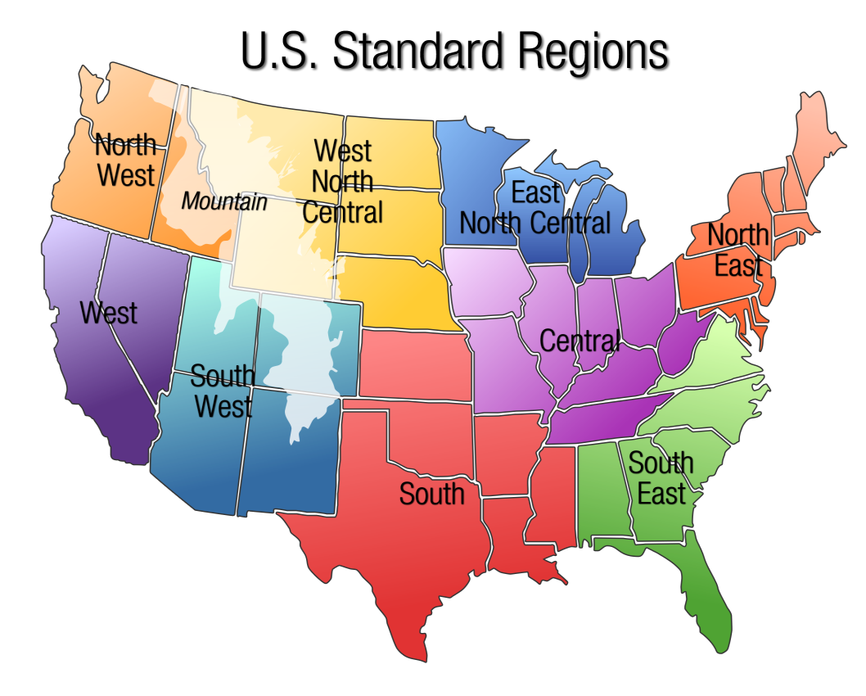
Operating Hours / Day |  | 12 | hours |  | Editable field
Operating Days / Week |  | 5 | days |  | Label
Operating Weeks / Year |  | 52 | weeks
Annual Operating Hours |  | 2748 | hours
i
Point | Bin | Load [%] | Time [%] | Operating Hours
A | Design | 100% | 5.0% | 137
B | Peak | 80% | 40.0% | 1099
C | Mid | 60% | 30.0% | 824
D | Partial | 40% | 15.0% | 412
E | Low | 20% | 10.0% | 275
F | Min | 10% | 0.0% | 0
 |  |  |  | 2748

i
i
 |  |  | Cooling Degree Days [°F·day] | Humidity Adjustment | Hours factor
Climate region
North East |  |  | 1034 | 30% | 0.88
Central |  |  | 1090 | 30% | 0.93
East North Central |  |  | 975 | 30% | 0.83
West North Central |  |  | 1123 | 15% | 0.85
South East |  |  | 2264 | 30% | 1.00
South |  |  | 2004 | 30% | 1.00
South West |  |  | 2750 | 5% | 1.00
Mountain |  |  | 1450 | 5% | 1.00
North West |  |  | 720 | 5% | 0.50
West |  |  | 1850 | 5% | 1.00
i
Custom Region |  |  | 1526 | 0% | 1.00
Average US |  |  | 1526 | 19% | 1.00

Selected Value |  |  |  |  | 0.88

Chiller
Home
Energy
Chiller
Pump
Financials
Results

i
i
Aggregation of energy consumption |  |  |  | [kW/ton] | Flow [GPM] | Head [ft] | Power [kW] | Ratio
KW1 Compressor |  |  |  | 0.600 |  |  | 1,074.6 | 82% | Editable field
KW2 Constant Speed Primary Pump (each) |  |  |  | 0.013 | 1,535 | 26 | 11.6 | 2% | Label
i
KW3 Condenser Pump (each) |  |  |  | 0.039 | 2,687 | 45 | 35.0 | 5%
i
KW4 Cooling Tower Fan |  |  |  | 0.080 |  |  | 143.3 | 11%
i
KW5 Chiller Controls |  |  |  | 0.000 |  |  | 0.0 | 0% |  | Chiller Plant Piping | Chiller cooling
i
KW6 Transmission Oil Pump and Heater |  |  |  | 0.000 |  |  | 0.0 | 0% |  | Primary/Secondary | Water cooled
Total Chiller Plant Energy Consumption |  |  |  | 0.732 |  |  | 1,311.1 | 100% |  | Variable Primary | Air cooled
i
Chiller Savings Method: |  |  |  | Original (auxiliaries only) |  |  |  |  |  | Full plant (incl. compressor)
 |  |  |  |  |  |  |  |  |  | Original (auxiliaries only) |  | Actual Delta-T energy usage | Actual % | Future Delta-T energy usage | Future %
i
Chiller Cycling Percent: |  |  |  | 0% |  |  |  |  |  |  | Chiller | 2413246.9771 | 92.30 | 2336757.7344 | 89.37
 |  |  |  |  |  |  |  |  |  |  | KW1 Compressor | 1860592.8048 | 71.16 | 1860592.8048 | 75.98
Chiller energy usage at Delta-T [°F]: |  |  |  | 10 |  |  |  |  |  |  | KW2 Constant Speed Primary Pump (each) | 60404.595652 | 2.31 | 55635.811785 | 2.27
i
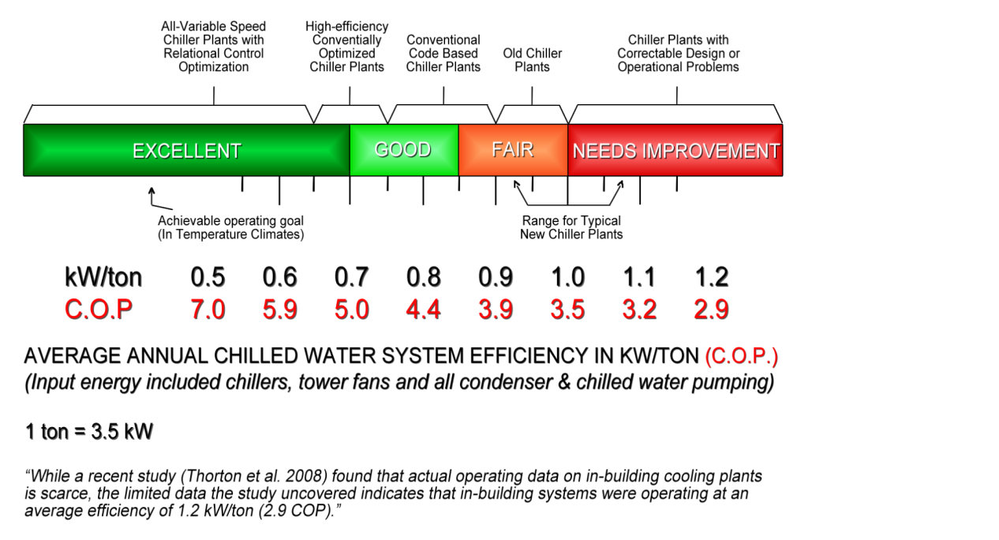
i
Load [%] | Time [%] | Time [h] | Flow [GPM] | tons | Chillers On | Power [kW] |  |  | LWT plant |  | KW3 Condenser Pump (each) | 182956.22722 | 7.00 | 168512.31454 | 6.88
100 | 5.0 | 137 | 3070 | 1791 | 2 | 236 | Chiller costs | $96,052 | Normal |  | KW4 Cooling Tower Fan | 309293.34938 | 11.83 | 252016.8032 | 10.29
80 | 40.0 | 1099 | 3070 | 1791 | 2 | 236 | Avg Tonnage | 1461 | Normal |  | KW5 Chiller Controls | 0 | 0.00 | 0 | 0.00
60 | 30.0 | 824 | 2579 | 1504 | 2 | 214 | Plant kW/ton | 0.141 | Normal |  | KW6 Transmission Oil Pump and Heater | 0 | 0.00 | 0 | 0.00
40 | 15.0 | 412 | 1719 | 1003 | 2 | 173 | Energy [kWh] | 564682 | Normal |  | Pump | 201406.01342 | 7.70 | 112117.77702 | 4.58
20 | 10.0 | 275 | 921 | 537 | 1 | 90 |  |  | Normal
10 | 0.0 | 0 | 921 | 537 | 1 | 90 |  |  | Normal
 |  |  |  |  |  |  |  |  |  |  |  | 2614652.99 | 100.00 | 2448875.51 | 100.00

Chiller energy usage at Delta-T [°F]: |  |  |  | 11
Load [%] | Time [%] | Time [h] | Flow [GPM] | tons | Chillers On | Power [kW] |  |  | LWT plant
100 | 5.0 | 137 | 3070 | 1791 | 2 | 236 | Chiller costs | $94,006 | Normal
80 | 40.0 | 1099 | 3070 | 1791 | 2 | 236 | Avg Tonnage | 1407 | Normal
60 | 30.0 | 824 | 2345 | 1368 | 2 | 203 | Plant kW/ton | 0.143 | Normal
40 | 15.0 | 412 | 1563 | 912 | 2 | 166 | Energy [kWh] | 552654 | Normal
20 | 10.0 | 275 | 921 | 537 | 1 | 90 |  |  | Normal
10 | 0.0 | 0 | 921 | 537 | 1 | 90 |  |  | Normal

Chiller energy usage at Delta-T [°F]: |  |  |  | 12
Load [%] | Time [%] | Time [h] | Flow [GPM] | tons | Chillers On | Power [kW] |  |  | LWT plant
100 | 5.0 | 137 | 3070 | 1791 | 2 | 236 | Chiller costs | $87,247 | Normal
80 | 40.0 | 1099 | 2866 | 1672 | 2 | 227 | Avg Tonnage | 1313 | Normal
60 | 30.0 | 824 | 2149 | 1254 | 2 | 194 | Plant kW/ton | 0.142 | Normal
40 | 15.0 | 412 | 1433 | 836 | 1 | 113 | Energy [kWh] | 512917 | Normal
20 | 10.0 | 275 | 921 | 537 | 1 | 90 |  |  | Normal
10 | 0.0 | 0 | 921 | 537 | 1 | 90 |  |  | Normal

Chiller energy usage at Delta-T [°F]: |  |  |  | 13
Load [%] | Time [%] | Time [h] | Flow [GPM] | tons | Chillers On | Power [kW] |  |  | LWT plant
100 | 5.0 | 137 | 3070 | 1791 | 2 | 236 | Chiller costs | $83,881 | Normal
80 | 40.0 | 1099 | 2645 | 1543 | 2 | 217 | Avg Tonnage | 1223 | Normal
60 | 30.0 | 824 | 1984 | 1157 | 2 | 186 | Plant kW/ton | 0.147 | Normal
40 | 15.0 | 412 | 1323 | 772 | 1 | 108 | Energy [kWh] | 493128 | Normal
20 | 10.0 | 275 | 921 | 537 | 1 | 90 |  |  | Normal
10 | 0.0 | 0 | 921 | 537 | 1 | 90 |  |  | Normal

Chiller energy usage at Delta-T [°F]: |  |  |  | 15
Load [%] | Time [%] | Time [h] | Flow [GPM] | tons | Chillers On | Power [kW] |  |  | LWT plant
100 | 5.0 | 137 | 2866 | 1672 | 2 | 227 | Chiller costs | $78,272 | Normal
80 | 40.0 | 1099 | 2292 | 1337 | 2 | 200 | Avg Tonnage | 1073 | Normal
60 | 30.0 | 824 | 1719 | 1003 | 2 | 173 | Plant kW/ton | 0.156 | Normal
40 | 15.0 | 412 | 1146 | 669 | 1 | 100 | Energy [kWh] | 460151 | Normal
20 | 10.0 | 275 | 921 | 537 | 1 | 90 |  |  | Normal
10 | 0.0 | 0 | 921 | 537 | 1 | 90 |  |  | Normal

Pump
Home
Energy
Chiller
Pump
Financials
Results

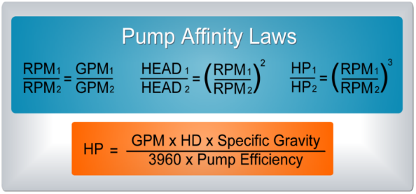
i
i
i
 |  |  |  |  |  |  |  | Editable field
Pump design factor |  |  |  | 100% |  |  |  | Label
Design chilled-water distribution Delta-T |  |  |  | 14
i
Load [%] | Time [%] | Time [h] | Flow [GPM] | Head [ft] | Power [HP] |  |  | Power [kW]
100 | 5.0 | 137 | 3070 | 135 | 161.0 | Pump costs | $19,071 | 120
80 | 40.0 | 1099 | 2456 | 86 | 82.4 | Annual Gallons | 324021604
60 | 30.0 | 824 | 1842 | 49 | 34.8 | Avg GPM | 1965
40 | 15.0 | 412 | 1228 | 30 | 14.3 | Energy [kWh] | 112118
20 | 10.0 | 275 | 921 | 30 | 10.7
10 | 0.0 | 0 | 921 | 30 | 10.7

i
Minimum pump head |  | [ft] and flow [GPM] |  | 30 | 921
Load [%] | Time [%] | Time [h] | Flow [GPM] | Head [ft] | Power [HP] | Power [kW]
 |  |  | 921 | 30 | 10.7 | 8.0

Chilled-water distribution flow at Delta-T [°F]: |  |  |  | 10
Load [%] | Time [%] | Time [h] | Flow [GPM] | Head [ft] | Power [HP]
100 | 5.0 | 137 | 3070 | 135 | 161.0 | Pump costs | $37,110
80 | 40.0 | 1099 | 3070 | 135 | 161.0 | Annual Gallons | 413127545
60 | 30.0 | 824 | 2579 | 95 | 95.4 | Avg GPM | 2505
40 | 15.0 | 412 | 1719 | 42 | 28.3 | Energy [kWh] | 218168
20 | 10.0 | 275 | 921 | 30 | 10.7
10 | 0.0 | 0 | 921 | 30 | 10.7

Chilled-water distribution flow at Delta-T [°F]: |  |  |  | 11
Load [%] | Time [%] | Time [h] | Flow [GPM] | Head [ft] | Power [HP] |  | Pump costs
100 | 5.0 | 137 | 3070 | 135 | 161.0 | Pump costs | $34,259
80 | 40.0 | 1099 | 3070 | 135 | 161.0 | Annual Gallons | 397662878
60 | 30.0 | 824 | 2345 | 79 | 71.7 | Avg GPM | 2412
40 | 15.0 | 412 | 1563 | 35 | 21.2 | Energy [kWh] | 201406
20 | 10.0 | 275 | 921 | 30 | 10.7
10 | 0.0 | 0 | 921 | 30 | 10.7

Chilled-water distribution flow at Delta-T [°F]: |  |  |  | 12
Load [%] | Time [%] | Time [h] | Flow [GPM] | Head [ft] | Power [HP] |  | Pump costs
100 | 5.0 | 137 | 3070 | 135 | 161.0 | Pump costs | $28,098
80 | 40.0 | 1099 | 2866 | 118 | 130.9 | Annual Gallons | 371274755
60 | 30.0 | 824 | 2149 | 66 | 55.2 | Avg GPM | 2252
40 | 15.0 | 412 | 1433 | 30 | 16.7 | Energy [kWh] | 165185
20 | 10.0 | 275 | 921 | 30 | 10.7
10 | 0.0 | 0 | 921 | 30 | 10.7

Chilled-water distribution flow at Delta-T [°F]: |  |  |  | 13
Load [%] | Time [%] | Time [h] | Flow [GPM] | Head [ft] | Power [HP] |  | Pump costs
100 | 5.0 | 137 | 3070 | 135 | 161.0 | Pump costs | $22,898
80 | 40.0 | 1099 | 2645 | 100 | 103.0 | Annual Gallons | 345830751
60 | 30.0 | 824 | 1984 | 56 | 43.4 | Avg GPM | 2097
40 | 15.0 | 412 | 1323 | 30 | 15.4 | Energy [kWh] | 134617
20 | 10.0 | 275 | 921 | 30 | 10.7
10 | 0.0 | 0 | 921 | 30 | 10.7

Chilled-water distribution flow at Delta-T [°F]: |  |  |  | 15
Load [%] | Time [%] | Time [h] | Flow [GPM] | Head [ft] | Power [HP] |  | Pump costs
100 | 5.0 | 137 | 2866 | 118 | 130.9 | Pump costs | $15,666
80 | 40.0 | 1099 | 2292 | 75 | 67.0 | Annual Gallons | 303432731
60 | 30.0 | 824 | 1719 | 42 | 28.3 | Avg GPM | 1840
40 | 15.0 | 412 | 1146 | 30 | 13.4 | Energy [kWh] | 92097
20 | 10.0 | 275 | 921 | 30 | 10.7
10 | 0.0 | 0 | 921 | 30 | 10.7

Financials
Home
Energy
Chiller
Pump
Financials
Results

FINANCIAL ANALYSIS OF EFFICIENCY IMPROVEMENTS Simulating Streams of Cash Inflows and Outflows *Sample Analysis*

i
Discount rate: | 10%
Finance rate | 10%
Reinvestment rate | 10%
i
Inflation Rate | 3%

 | Today | End of Year 1 | End of Year 2 | End of Year 3 | End of Year 4 | End of Year 5 | End of Year 6 | End of Year 7 | End of Year 8 | End of Year 9 | End of Year 10 | End of Year 11 | End of Year 12 | End of Year 13 | End of Year 14 | End of Year 15 | End of Year 16 | End of Year 17 | End of Year 18 | End of Year 19 | End of Year 20
Date: | 0 | 1 | 2 | 3 | 4 | 5 | 6 | 7 | 8 | 9 | 10 | 11 | 12 | 13 | 14 | 15 | 16 | 17 | 18 | 19 | 20
CASH OUTFLOWS

i
Single Investment | ($290,000) | $0 | $0 | $0 | $0 | $0 | $0 | $0 | $0 | $0 | $0 | $0 | $0 | $0 | $0 | $0 | $0 | $0 | $0 | $0 | $0
Phased Investment | $0 | $0 | $0 | $0 | $0 | $0 | $0 | $0 | $0 | $0 | $0 | $0 | $0 | $0 | $0 | $0 | $0 | $0 | $0 | $0 | $0
Financed Investment | $0 | $0 | $0 | $0 | $0 | $0 | $0 | $0 | $0 | $0 | $0 | $0 | $0 | $0 | $0 | $0 | $0 | $0 | $0 | $0 | $0
Subtotal | ($290,000) | $0 | $0 | $0 | $0 | $0 | $0 | $0 | $0 | $0 | $0 | $0 | $0 | $0 | $0 | $0 | $0 | $0 | $0 | $0 | $0
Rebate Rec'd at Project Start | $0
Subtotal Outflows | ($290,000) | $0 | $0 | $0 | $0 | $0 | $0 | $0 | $0 | $0 | $0 | $0 | $0 | $0 | $0 | $0 | $0 | $0 | $0 | $0 | $0
CASH INFLOWS

i
Energy savings |  | $28,199 | $29,045 | $29,916 | $30,814 | $31,738 | $32,690 | $33,671 | $34,681 | $35,721 | $36,793 | $37,897 | $39,034 | $40,205 | $41,411 | $42,653 | $43,933 | $45,251 | $46,608 | $48,006 | $49,447
Maintenance/Other Savings |  | $600 | $618 | $637 | $656 | $675 | $696 | $716 | $738 | $760 | $783 | $806 | $831 | $855 | $881 | $908 | $935 | $963 | $992 | $1,021 | $1,052
Rebates Rec'd after Project Start |  | $0 | $0 | $0 | $0 | $0 | $0 | $0 | $0 | $0 | $0 | $0 | $0 | $0 | $0 | $0 | $0 | $0 | $0 | $0 | $0
Subtotal Inflows |  | $28,799 | $29,663 | $30,553 | $31,469 | $32,413 | $33,386 | $34,387 | $35,419 | $36,481 | $37,576 | $38,703 | $39,864 | $41,060 | $42,292 | $43,561 | $44,868 | $46,214 | $47,600 | $49,028 | $50,499

Annual cash flow | ($290,000) | $28,799 | $29,663 | $30,553 | $31,469 | $32,413 | $33,386 | $34,387 | $35,419 | $36,481 | $37,576 | $38,703 | $39,864 | $41,060 | $42,292 | $43,561 | $44,868 | $46,214 | $47,600 | $49,028 | $50,499

i
PV of Outflows (for SIR) | ($290,000) | $0 | $0 | $0 | $0 | $0 | $0 | $0 | $0 | $0 | $0 | $0 | $0 | $0 | $0 | $0 | $0 | $0 | $0 | $0 | $0
PV of Inflows (for SIR) | $0 | $26,181 | $24,515 | $22,955 | $21,494 | $20,126 | $18,845 | $17,646 | $16,523 | $15,472 | $14,487 | $13,565 | $12,702 | $11,894 | $11,137 | $10,428 | $9,764 | $9,143 | $8,561 | $8,016 | $7,506
Cumulative Cash Flows | ($290,000) | ($261,201) | ($231,539) | ($200,986) | ($169,517) | ($137,104) | ($103,718) | ($69,331) | ($33,912) | $2,570 | $40,145 | $78,848 | $118,713 | $159,773 | $202,065 | $245,625 | $290,493 | $336,707 | $384,306 | $433,334 | $483,833
Annual Present Value | ($290,000) | $26,181 | $24,515 | $22,955 | $21,494 | $20,126 | $18,845 | $17,646 | $16,523 | $15,472 | $14,487 | $13,565 | $12,702 | $11,894 | $11,137 | $10,428 | $9,764 | $9,143 | $8,561 | $8,016 | $7,506
Cumulative Present Value | $(290,000) | $(263,819) | $(239,305) | $(216,350) | $(194,856) | $(174,730) | $(155,885) | $(138,239) | $(121,716) | $(106,244) | $(91,757) | $(78,192) | $(65,490) | $(53,596) | $(42,459) | $(32,031) | $(22,267) | $(13,124) | $(4,562) | $3,454 | $10,961
 |  | *Note: Certain Returns Vary Depending on the Length of the Analysis Term*
 | 10 Year | 1 Year | 2 Years | 3 Years | 4 Years | 5 Years | 6 Years | 7 Years | 8 Years | 9 Years | 10 Years | 11 Years | 12 Years | 13 Years | 14 Years | 15 Years | 16 Years | 17 Years | 18 Years | 19 Years | 20 Years
i
Net Present Value (NPV) | ($91,757) | ($263,819) | ($239,305) | ($216,350) | ($194,856) | ($174,730) | ($155,885) | ($138,239) | ($121,716) | ($106,244) | ($91,757) | ($78,192) | ($65,490) | ($53,596) | ($42,459) | ($32,031) | ($22,267) | ($13,124) | ($4,562) | $3,454 | $10,961
i
Simple Payback Period (SPP) | 10.1
i
Return on Investment (ROI) | 9.9%
i
Internal Rate of Return (IRR) | 2.3% | -90.1% | -62.7% | -41.6% | -27.5% | -17.9% | -11.1% | -6.2% | -2.6% | 0.2% | 2.3% | 4.0% | 5.4% | 6.5% | 7.4% | 8.2% | 8.8% | 9.3% | 9.8% | 10.2% | 10.5%
i
Mod. Internal Rate of Return (MIRR) | 5.9% | -90.1% | -54.0% | -30.3% | -16.7% | -8.5% | -3.3% | 0.3% | 2.8% | 4.6% | 5.9% | 6.9% | 7.7% | 8.3% | 8.8% | 9.1% | 9.5% | 9.7% | 9.9% | 10.1% | 10.2%
i
Savings-Investment Ratio (SIR) | 0.7 | 0.1 | 0.2 | 0.3 | 0.3 | 0.4 | 0.5 | 0.5 | 0.6 | 0.6 | 0.7 | 0.7 | 0.8 | 0.8 | 0.9 | 0.9 | 0.9 | 1.0 | 1.0 | 1.0 | 1.0
10-YEAR CASH FLOW
 | V.2026.12.0
i

i
CUMULATIVE 10-YEAR CASH FLOW

10-YEAR PRESENT VALUE
i

CUMULATIVE 10-YEAR PRESENT VALUE
i
 | -69600 12272.72727 12396.69421 12509.39144 12611.84345 12704.98165 12789.65274 12866.62646 12936.60257 13000.21721 13058.0487
Today | -69600
End of YR 1 | -57327.272727
End of YR 2 | -44930.578512
End of YR 3 | -32421.187077
End of YR 4 | -19809.343624
End of YR 5 | -7104.3619723
End of YR 6 | 5685.290769
End of YR 7 | 18551.917228
End of YR 8 | 31488.519794
End of YR 9 | 44488.737003
End of YR 10 | 57546.785705

Results
Home
Energy
Chiller
Pump
Financials
Results

Results

How Energy Valves Deliver Savings
Explore a different Delta-T: | From: 11.0 °F |  | To: 14.0 °F
By raising the chilled water Delta-T from 11.0 to 14.0 °F, Energy Valves reduce the flow rate needed to meet the same cooling load, cutting pump energy, while letting the chiller run more efficiently, reducing chiller energy too. Together, these two effects drive the total plant savings shown below.

Total Annual Savings |  |  |  |  |  | Total Annual Energy Saved
$28,199 |  |  |  |  |  | 165,777 kWh
 | Basis: 2,748 operating hours per year · region: North East (hours factor 0.88) · average load 63.0% · about 1,731 full-load-equivalent hours per year
Metric | dT = 11.0 °F | dT = 14.0 °F |  | Estimated annual savings
Delta-T | 11 | 14 |  | Pumping savings (from reduced pump flow) | $15,188
Average flow | 2,412 | 1,965 |  | Chiller savings (from fewer chillers running and less auxiliary load) | $13,011
Average cooling load | 1,406.7 | 1,146.2 |  | Total cost savings | $28,199
Pumping cost per year | $34,259 | $19,071 |  | Energy savings | 165,777
Chiller cost per year | $94,006 | $80,996
Total cost per year | $128,266 | $100,067
Energy per year | 754,060 | 588,283

dT = 11.0 °F — Layman’s Interpretation

Current pumping summary: $34,259/yr; flow 2,411.6 GPM

Current annual chiller cost: $94,006

dT = 14.0 °F — Layman’s Interpretation

Proposed pumping summary: $19,071/yr; flow 1,965.0 GPM

Proposed annual chiller cost: $80,996

Pump Bin Details – dT = 11.0 °F |  |  |  |  |  | Pump Bin Details – dT = 14.0 °F
Load [%] | Time [h] | Flow GPM | Head ft | Pump HP |  | Load [%] | Time [h] | Flow GPM | Head ft | Pump HP
100 | 137 | 3,070 | 135.0 | 161.0 |  | 100 | 137 | 3,070 | 135.0 | 161.0
80 | 1,099 | 3,070 | 135.0 | 161.0 |  | 80 | 1,099 | 2,456 | 86.4 | 82.4
60 | 824 | 2,345 | 78.7 | 71.7 |  | 60 | 824 | 1,842 | 48.6 | 34.8
40 | 412 | 1,563 | 35.0 | 21.2 |  | 40 | 412 | 1,228 | 30.0 | 14.3
20 | 275 | 921 | 30.0 | 10.7 |  | 20 | 275 | 921 | 30.0 | 10.7
10 | 0 | 921 | 30.0 | 10.7 |  | 10 | 0 | 921 | 30.0 | 10.7

Financial & Environmental Highlights

Net Present Value (NPV) |  |  |  |  | -$91,757
Savings-Investment Ratio (SIR) |  |  |  |  | 0.68
Simple Payback Period (SPP) |  |  |  |  | 10.1 years
Annual carbon dioxide avoided |  |  |  |  | 245,483 pounds
Tree seedlings grown for 10 years |  |  |  |  | 1,856 tree seedlings
Equivalent annual home electricity use |  |  |  |  | 14 homes

Utility Rebate Support

Energy savings |  |  |  |  | 165,777 kWh
Annual carbon dioxide avoided |  |  |  |  | 245,483 pounds

This analysis uses a bin-based energy model built on region-specific weather data and standard pump affinity-law calculations, providing a defensible basis for utility rebate and incentive program verification.

